Assignment 1
ASSIGNMENT1: | Display all the product name in uppercase.

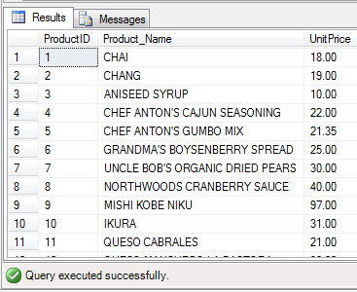
Query: | SELECT ProductID,UPPER(ProductName) AS Product_Name,UnitPrice
 | FROM Products;
Output:

Assignment 2
ASSIGNMENT 2: | Display last 3 characters from product name

Query: | SELECT ProductID,RIGHT(ProductName, 3) As Product_Name,SupplierID FROM Products;

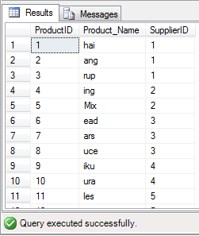
Output:

Assignment 3
ASSIGNMENT 3: | Display all the customers postal code. Postal code should be minimum 9 character. In case there are less then 9 character in database add "0" at beginning.

Query: | SELECT CustomerID,ContactName,CompanyName,REPLICATE ('0', (9 - LEN (PostalCode))) + PostalCode AS Padded_PostalCode FROM Customers;

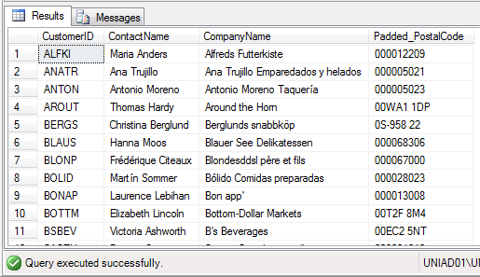
Output:

Assignment 4
ASSIGNMENT 4: | Display unitprice from products. Remove decimal from the unit price.

Query: | SELECT ProductID,ProductName,UnitPrice,CONVERT(INT,UnitPrice) AS Rounded_UnitPrice FROM Products;

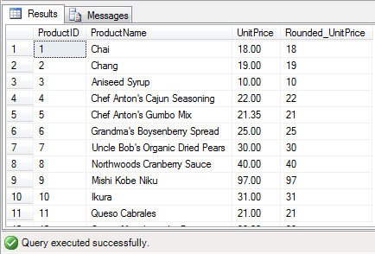
Output:

Assignment 5
ASSIGNMENT 5: | Get final order price per order. Price should be floored from the output.

Query: | SELECT OrderDetails.OrderID,ProductID,UnitPrice,FLOOR((OrderDetails.UnitPrice * OrderDetails.Quantity + Orders.Freight)- (OrderDetails.Discount*(OrderDetails.UnitPrice * OrderDetails.Quantity + Orders.Freight))) AS FinalOrderPrice
 | FROM OrderDetails JOIN Orders ON OrderDetails.OrderID=Orders.OrderID;

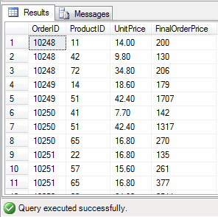
Output:

Assignment 6
ASSIGNMENT 6: | Get final order price per order. Price should be ceiled from the output.

Query: | SELECT OrderDetails.OrderID,ProductID,UnitPrice,CEILING((OrderDetails.UnitPrice * OrderDetails.Quantity + Orders.Freight)- (OrderDetails.Discount*(OrderDetails.UnitPrice * OrderDetails.Quantity + Orders.Freight))) AS FinalOrderPrice
 | FROM OrderDetails JOIN Orders ON OrderDetails.OrderID=Orders.OrderID;

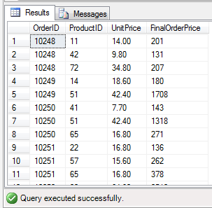
Output:

Assignment 7
ASSIGNMENT 7: | Display order date in yyyy/MM/dd format.

Query: | SELECT OrderID,CustomerID,CONVERT(VARCHAR,OrderDate, 111) AS Formatted_Date FROM Orders;

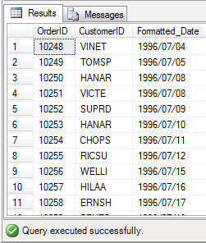
Output:

